Picture
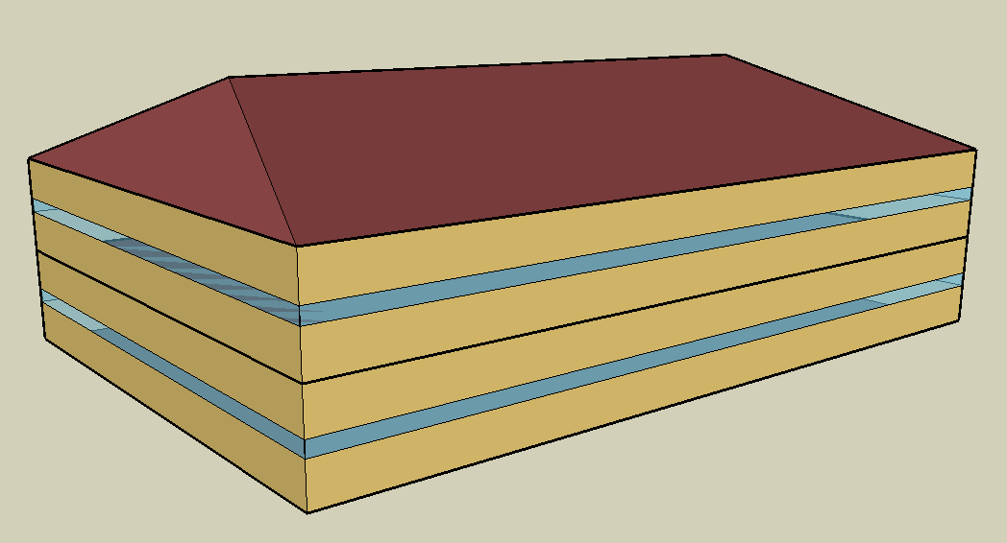
DOE Commercial Building Benchmark - Outpatient Health Care

Electricity
 | Cooling | Interior Lighting | Exterior Lighting | Interior Equipment | Fans
Miami | 70,144.44 | 30,513.89 | 0.00 | 175,630.56 | 30,588.89
Houston | 56,872.22 | 30,513.89 | 0.00 | 175,630.56 | 25,394.44
Phoenix | 51,616.67 | 30,513.89 | 0.00 | 175,630.56 | 41,616.67
Atlanta | 45,763.89 | 30,513.89 | 0.00 | 175,630.56 | 22,391.67
Los Angeles | 20,950.00 | 30,513.89 | 0.00 | 175,630.56 | 54,380.56
Las Vegas | 39,850.00 | 30,513.89 | 0.00 | 175,630.56 | 40,341.67
San Francisco | 8,302.78 | 30,513.89 | 0.00 | 175,630.56 | 36,872.22
Baltimore | 40,072.22 | 30,513.89 | 0.00 | 175,630.56 | 19,750.00
Albuquerque | 25,791.67 | 30,513.89 | 0.00 | 175,630.56 | 42,363.89
Seattle | 8,161.11 | 30,513.89 | 0.00 | 175,630.56 | 33,733.33
Chicago | 25,130.56 | 30,513.89 | 0.00 | 175,630.56 | 30,819.44
Boulder | 19,186.11 | 30,513.89 | 0.00 | 175,630.56 | 39,191.67
Minneapolis | 23,872.22 | 30,513.89 | 0.00 | 175,630.56 | 30,347.22
Helena | 14,000.00 | 30,513.89 | 0.00 | 175,630.56 | 32,866.67
Duluth | 15,766.67 | 30,513.89 | 0.00 | 175,630.56 | 27,222.22
Fairbanks | 12,261.11 | 30,513.89 | 0.00 | 175,630.56 | 22,550.00

Gas
 | Heating | Water Systems
Miami | 0.00 | 16,010.00
Houston | 5,300.00 | 18,010.00
Phoenix | 1,470.00 | 16,860.00
Atlanta | 6,750.00 | 19,950.00
Los Angeles | 10.00 | 19,580.00
Las Vegas | 1,410.00 | 18,250.00
San Francisco | 2,290.00 | 21,240.00
Baltimore | 17,690.00 | 21,480.00
Albuquerque | 7,670.00 | 21,190.00
Seattle | 8,930.00 | 22,280.00
Chicago | 23,900.00 | 22,810.00
Boulder | 13,850.00 | 22,750.00
Minneapolis | 47,830.00 | 23,960.00
Helena | 34,490.00 | 24,180.00
Duluth | 54,030.00 | 25,870.00
Fairbanks | 147,060.00 | 28,180.00

EUI
 | Cooling (elec) | Interior Lighting (elec) | Exterior Lighting (elec) | Interior Equipment (elec) | Fans (elec) | Heating (gas) | Water Systems (gas)
Miami | 271.67 | 118.18 | 0.00 | 680.23 | 118.47 | 0.00 | 17.22
Houston | 220.27 | 118.18 | 0.00 | 680.23 | 98.35 | 5.70 | 19.38
Phoenix | 199.91 | 118.18 | 0.00 | 680.23 | 161.18 | 1.58 | 18.14
Atlanta | 177.25 | 118.18 | 0.00 | 680.23 | 86.72 | 7.26 | 21.46
Los Angeles | 81.14 | 118.18 | 0.00 | 680.23 | 210.62 | 0.01 | 21.07
Las Vegas | 154.34 | 118.18 | 0.00 | 680.23 | 156.25 | 1.52 | 19.63
San Francisco | 32.16 | 118.18 | 0.00 | 680.23 | 142.81 | 2.46 | 22.85
Baltimore | 155.20 | 118.18 | 0.00 | 680.23 | 76.49 | 19.03 | 23.11
Albuquerque | 99.89 | 118.18 | 0.00 | 680.23 | 164.08 | 8.25 | 22.80
Seattle | 31.61 | 118.18 | 0.00 | 680.23 | 130.65 | 9.61 | 23.97
Chicago | 97.33 | 118.18 | 0.00 | 680.23 | 119.37 | 25.71 | 24.54
Boulder | 74.31 | 118.18 | 0.00 | 680.23 | 151.79 | 14.90 | 24.48
Minneapolis | 92.46 | 118.18 | 0.00 | 680.23 | 117.54 | 51.46 | 25.78
Helena | 54.22 | 118.18 | 0.00 | 680.23 | 127.29 | 37.11 | 26.01
Duluth | 61.07 | 118.18 | 0.00 | 680.23 | 105.43 | 58.13 | 27.83
Fairbanks | 47.49 | 118.18 | 0.00 | 680.23 | 87.34 | 158.21 | 30.32

Water
 | Total Building | Water for Electricity (m3)
Miami | 89.00 | 162.57
Houston | 89.00 | 469.28
Phoenix | 89.00 | 8,892.80
Atlanta | 89.00 | 1,712.62
Los Angeles | 89.00 | 4,942.06
Las Vegas | 89.00 | 7,855.32
San Francisco | 89.00 | 4,412.59
Baltimore | 89.00 | 60.38
Albuquerque | 89.00 | 1,245.55
Seattle | 89.00 | 2,534.16
Chicago | 89.00 | 406.62
Boulder | 89.00 | 1,201.15
Minneapolis | 89.00 | 403.94
Helena | 89.00 | 16,026.90
Duluth | 89.00 | 386.51
Fairbanks | 89.00 | 246.18

Carbon
 | Carbon Equivalent (kg)
Miami | 84,450.15
Houston | 96,623.36
Phoenix | 90,704.96
Atlanta | 84,975.98
Los Angeles | 33,248.05
Las Vegas | 96,928.31
San Francisco | 29,794.89
Baltimore | 72,479.11
Albuquerque | 112,572.16
Seattle | 18,628.48
Chicago | 140,577.62
Boulder | 108,717.34
Minneapolis | 90,415.34
Helena | 93,518.22
Duluth | 86,717.12
Fairbanks | 70,961.61

LghtSch
Lighting Schedules
 | WD | Sat | Sun, Hol, Other
 | 0.1 | 0.1 | 0.05
 | 0.1 | 0.1 | 0.05
 | 0.1 | 0.1 | 0.05
 | 0.1 | 0.1 | 0.05
 | 0.1 | 0.1 | 0.05
 | 0.1 | 0.1 | 0.05
 | 0.1 | 0.1 | 0.05
 | 0.5 | 0.2 | 0.05
 | 0.9 | 0.4 | 0.1
 | 0.9 | 0.4 | 0.1
 | 0.9 | 0.4 | 0.1
 | 0.9 | 0.4 | 0.1
 | 0.9 | 0.4 | 0.1
 | 0.9 | 0.4 | 0.1
 | 0.9 | 0.4 | 0.1
 | 0.9 | 0.4 | 0.1
 | 0.3 | 0.4 | 0.05
 | 0.3 | 0.4 | 0.05
 | 0.3 | 0.1 | 0.05
 | 0.3 | 0.1 | 0.05
 | 0.3 | 0.1 | 0.05
 | 0.3 | 0.1 | 0.05
 | 0.3 | 0.1 | 0.05
 | 0.1 | 0.1 | 0.05

EqpSch
Euipment Schedules
 | WD | Sat | Sun, Hol, Other
 | 0.4 | 0.4 | 0.3
 | 0.4 | 0.4 | 0.3
 | 0.4 | 0.4 | 0.3
 | 0.4 | 0.4 | 0.3
 | 0.4 | 0.4 | 0.3
 | 0.4 | 0.4 | 0.3
 | 0.4 | 0.4 | 0.3
 | 0.7 | 0.5 | 0.3
 | 0.9 | 0.65 | 0.4
 | 0.9 | 0.65 | 0.4
 | 0.9 | 0.65 | 0.4
 | 0.9 | 0.65 | 0.4
 | 0.9 | 0.65 | 0.4
 | 0.9 | 0.65 | 0.4
 | 0.9 | 0.65 | 0.4
 | 0.9 | 0.65 | 0.4
 | 0.6 | 0.65 | 0.3
 | 0.6 | 0.65 | 0.3
 | 0.6 | 0.4 | 0.3
 | 0.6 | 0.4 | 0.3
 | 0.6 | 0.4 | 0.3
 | 0.6 | 0.4 | 0.3
 | 0.6 | 0.4 | 0.3
 | 0.4 | 0.4 | 0.3

OccSch
Occupancy Schedules
 | WD | Sat | Sun, Hol, Other
 | 0 | 0 | 0
 | 0 | 0 | 0
 | 0 | 0 | 0
 | 0 | 0 | 0
 | 0 | 0 | 0
 | 0 | 0 | 0
 | 0 | 0 | 0
 | 0.1 | 0.1 | 0
 | 0.5 | 0.3 | 0.05
 | 0.8 | 0.4 | 0.05
 | 0.8 | 0.4 | 0.05
 | 0.8 | 0.4 | 0.05
 | 0.8 | 0.4 | 0.05
 | 0.8 | 0.4 | 0.05
 | 0.8 | 0.4 | 0.05
 | 0.8 | 0.4 | 0.05
 | 0.8 | 0.4 | 0
 | 0.5 | 0.1 | 0
 | 0.3 | 0.1 | 0
 | 0.3 | 0 | 0
 | 0.2 | 0 | 0
 | 0.2 | 0 | 0
 | 0 | 0 | 0
 | 0 | 0 | 0

HeatSch
Heating Set Point Schedules
 | All
 | 21
 | 21
 | 21
 | 21
 | 21
 | 21
 | 21
 | 21
 | 21
 | 21
 | 21
 | 21
 | 21
 | 21
 | 21
 | 21
 | 21
 | 21
 | 21
 | 21
 | 21
 | 21
 | 21
 | 21

CoolSch
Cooling Set Point Schedules
 | All
 | 24
 | 24
 | 24
 | 24
 | 24
 | 24
 | 24
 | 24
 | 24
 | 24
 | 24
 | 24
 | 24
 | 24
 | 24
 | 24
 | 24
 | 24
 | 24
 | 24
 | 24
 | 24
 | 24
 | 24

